1. Title Page

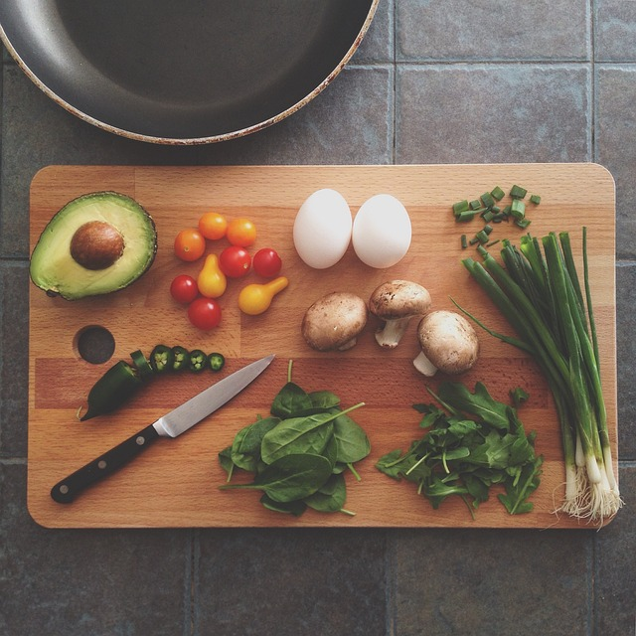
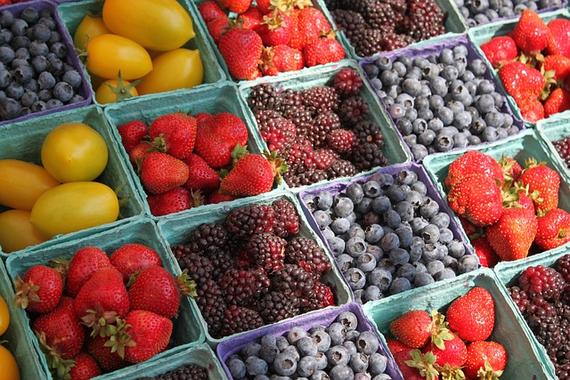
Customer Profiling
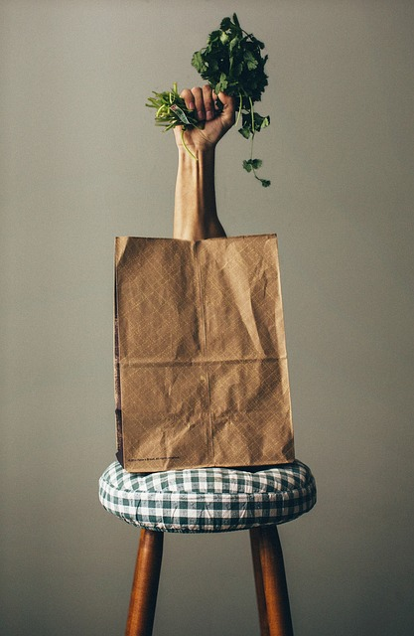
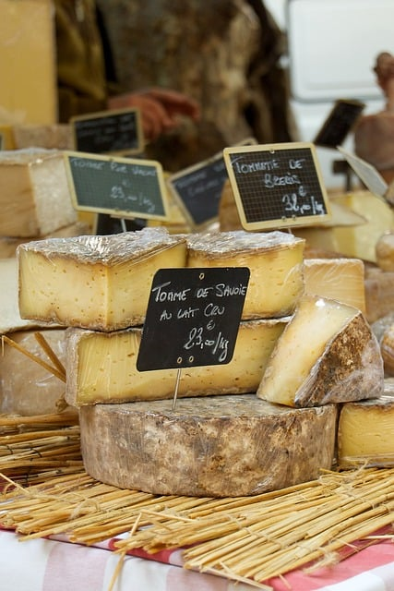

Project Name: Instacart Customer Profiling
Date: October 06, 2023
Analyst Name: Emily Seitz
The Instacart Online Grocery Shopping Dataset 2017
Accessed from www.instacart.com/datasets/grocery-shopping-2017 via Kaggle on 08/15/2023.
* Additional data on Customer demographics and Prices is not real Instacart data, but created data intended for the educational and learning purposes of this project.

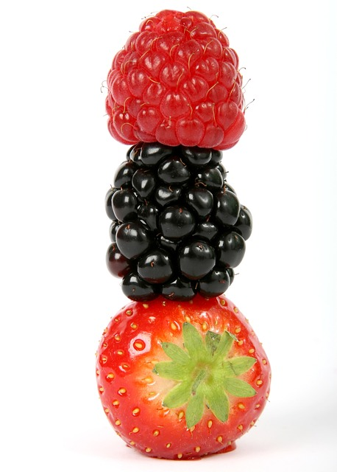
Contents:
Population Flow
Consistency checks
Wrangling steps
Column derivations
Visualizations
Recommendations

2. Population Flow
Population flow

Exclusion flag
Condition: max_order < 5
Obervations to be removed: Low Activity Customers
Final total count of order_products_all: 30,992,664

Orders_products_combined
Orders_products_merged
Orders_products_all

Total: 32,434,212
Total: 32,434,489
Total: 32,434,212

1.) The grey boxes in the first row of the population flow represent the original data sets as they were when you downloaded them. In the Total fields you need to add the count of the rows when you imported the data set into Jupyter.
2.) The second row of boxes (coloured) represents the data sets after you manipulated them, e.g., removed missing values and duplicates. In the Total fields you need to add the count of the rows after conducting these operations. This offers a visual oveview of how the data flows throughout the data consistency checks.
3.) The third row, where also the arrows are coloured, represents the merges you performed between the datasets. In the Total fields you need to add the count of the rows in the merged datasets, so that you end up with the final dataset (in the red box). Keep in mind the final dataset should be without exclusions (based on the exclusion flag).

3. Consistency checks
 |  |  |  | Title page
Consistency checks

Dataset | Missing values | Missing values treatment | Duplicates
orders | replaced all missing values- overwritten no lines deleted
products | product_name | delete 16 lines of occurences | deleted 5 lines of duplicative occurences
orders_products_prior
customers
departments

4. Wrangling steps
 |  |  |  | Title page
Wrangling steps

Columns dropped | Columns renamed | Columns' type changed | Comment/Reason
eval_set |  |  | unnecessary information
 | order_dow = orders_day_of_week
 | days_since_prior_order = '#_days_since_last_order | order_id changed to string
 | Surname to Last_Name | days_since_prior_order changed to integer

5. Column derivations
Column derivations and aggregations

Dataset | New column | Column/s it was derived from | Conditions
ords_prods_merged | price_label | prices | prices <= 5 'Low-Range Products'; prices.5 and <= 15 'Mid Range Products' and prices> 15 "High Range Products'
ords_prods_merged | Busiest Day | orders_day_of_week | Day = O/ Saturday is Busiest Day or Day = 4/ Wed is Least Busy Day; all other days are Regularly Busy days.
ords_prods_merged | Busiest Days | orders_day_of_week | Day = O&1 are Busiest Days or Day = 3 &4/ Tues/Wed is Least Busiest Day; all other days are Regularly Busy days.
ords_prods_merged | Busiest period of day | orders_hour_of_day | Most Orders Average Orders Fewest orders
ords_prods_merged | max_order | user_id & order_number | loyalty flag > 40 order = Loyal customer, > 10 and <= 40 Regular Custoemr, & <= 10 Orders is New Customer
ords_prods_merged | spending_flag | user_id, & avg_price_all_orders | orders <10 isLow spemder. Orders >= 10 is High Spemder
ords_prods_merged | frequency flag/spending flag | days_since_prior_order & user_id | Frequenscy of orders : >20 is Non_frequent customer, ,<=20 and > 10 is Regular Customer, ,= <10 is Frequent customer

6. Vizualizations
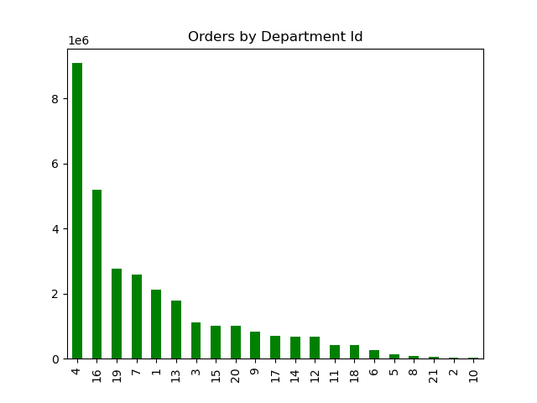

Visualizations

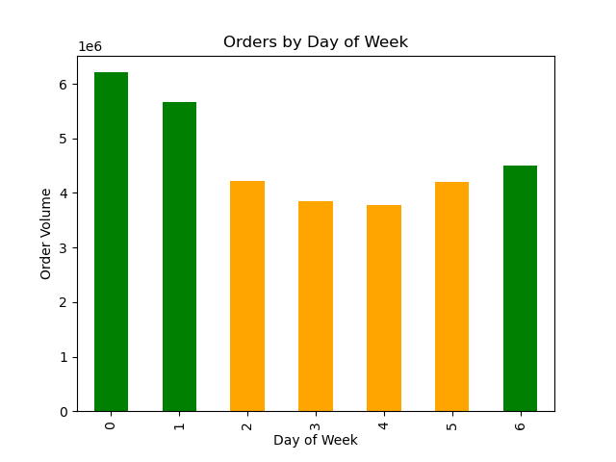
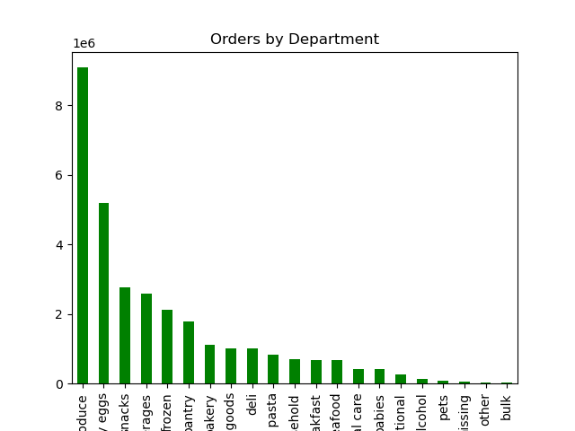
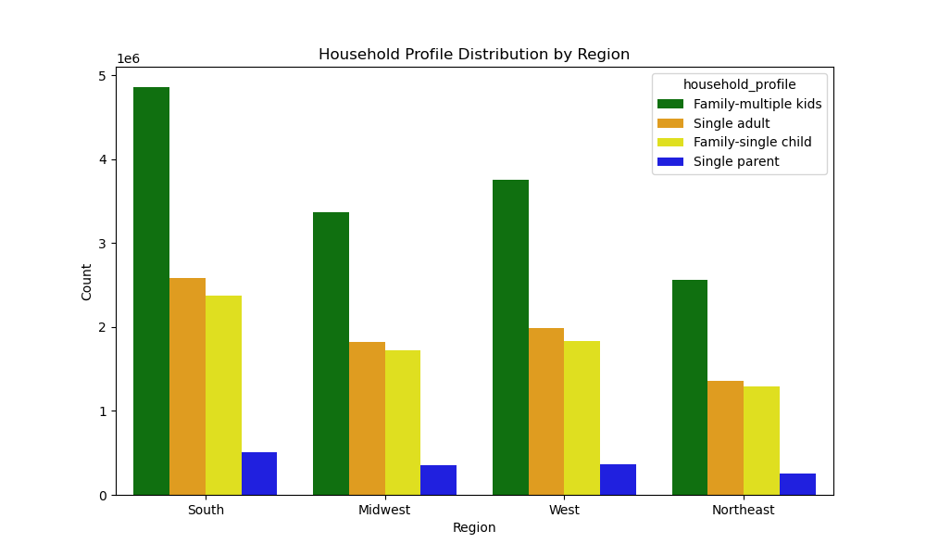
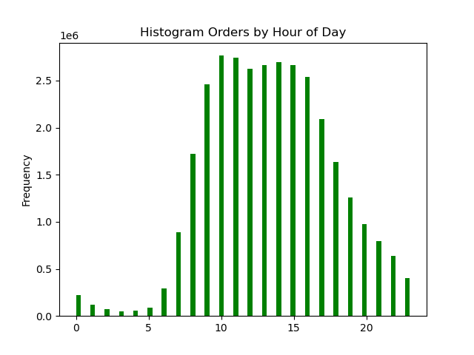

Peak days are Saturday (0) and Sunday (1). Tuesday (3) and Wednesday (4) drive least volume. | Peak order hours are between 10 am and 3 pm. | Produce has the highest volume of orders; followed by Dairy/eggs, snacks, beverages and frozen food. |  | Family households with married partners with multiple kids are the most populous demographic. The South is the most populous region overall in all demographics.

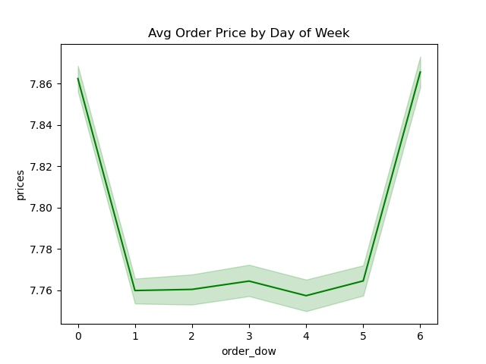
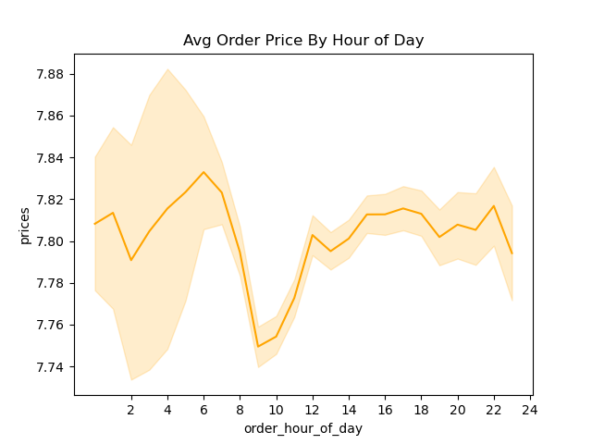
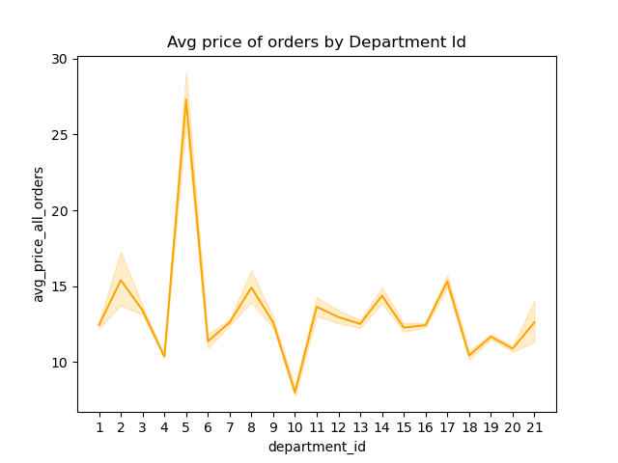
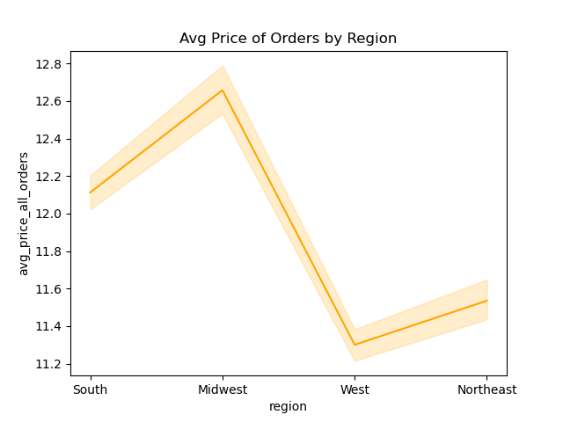

The AUR or product orders is highest on Saturday (0) and Friday (6). | The AUR on product orders tends to be higher between noon and midnight, There is also much more variability in prices before noon. | Alcohol (dept 5) has the highest AUR by far of all other categories at $28. Bulk Food (dept 10) is the department with an AUR below $10. |  | The Midwest has the highest AUR on orders at $12.75; the West has the lowest at $11.30.

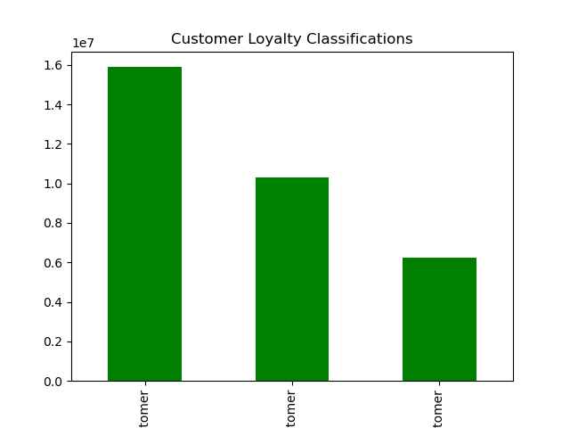
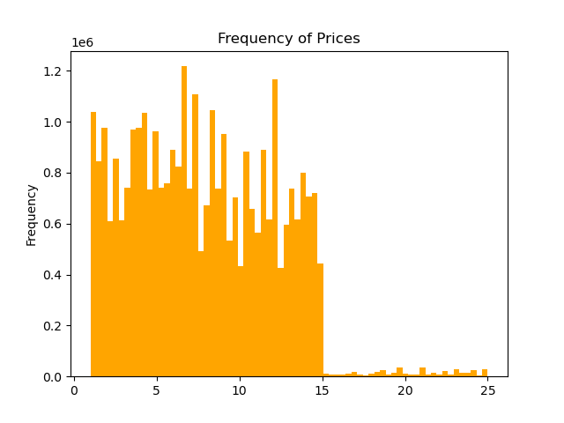
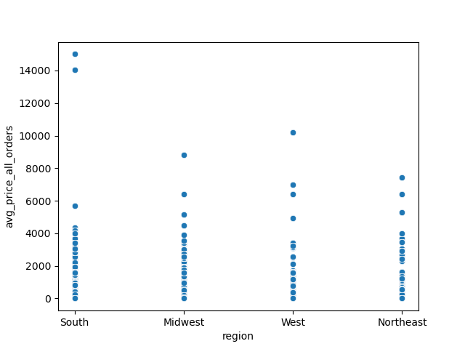
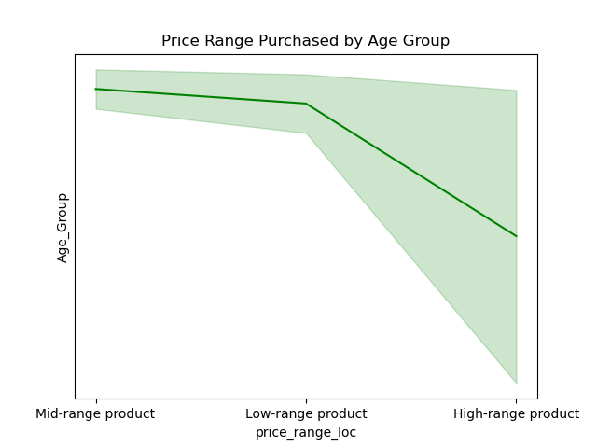

 | There are a spikes in the frequency of PPT's between the $7-10 range and again around $12-13. | There is a lot more volatility in the mix of Age groups that purchase PPT range products. |  | The South has the highest outliers in high Pricepoint orders.

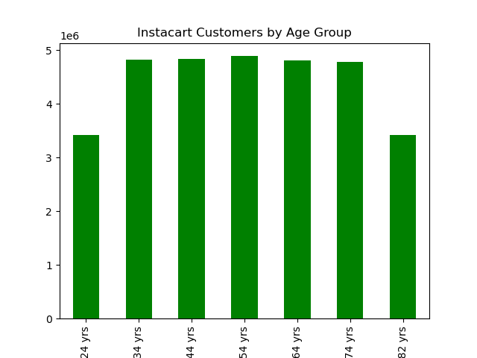
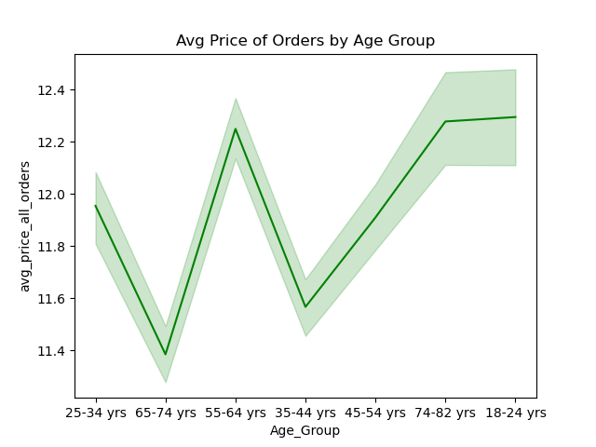
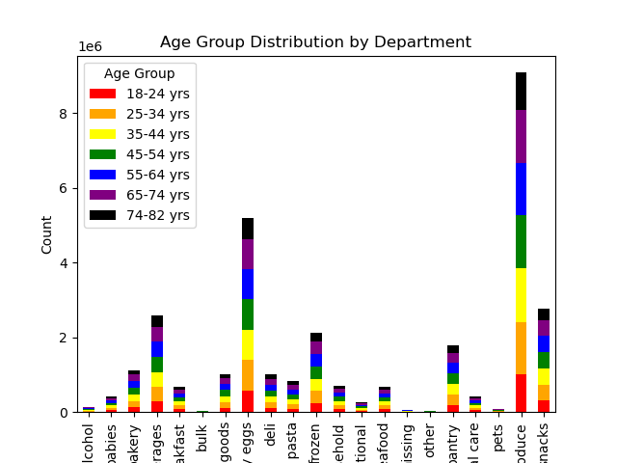
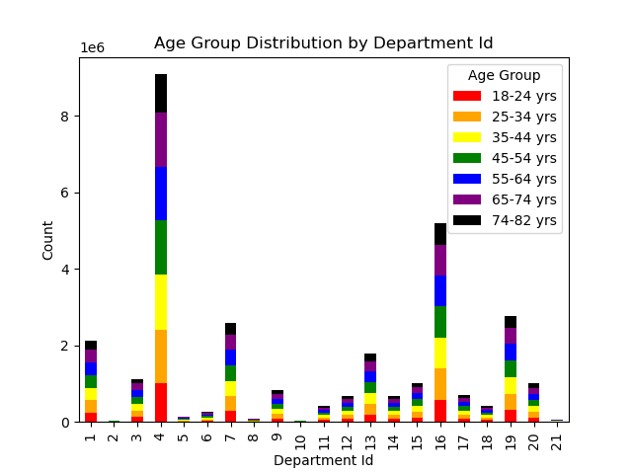

 |  |  |  |  | department wide |  | department
 |  |  |  |  | 0 | 1 | frozen
 |  |  |  |  | 1 | 2 | other
 |  |  |  |  | 2 | 3 | bakery
 |  |  |  |  | 3 | 4 | produce
 |  |  |  |  | 4 | 5 | alcohol
 |  |  |  |  | 5 | 6 | international
 |  |  |  |  | 6 | 7 | beverages
 |  |  |  |  | 7 | 8 | pets
 |  |  |  |  | 8 | 9 | dry goods pasta
 |  |  |  |  | 9 | 10 | bulk
 |  |  |  |  | 10 | 11 | personal care
 |  |  |  |  | 11 | 12 | meat seafood
 |  |  |  |  | 12 | 13 | pantry
 |  |  |  |  | 13 | 14 | breakfast
 |  |  |  |  | 14 | 15 | canned goods
 |  |  |  |  | 15 | 16 | dairy eggs
 |  |  |  |  | 16 | 17 | household
 |  |  |  |  | 17 | 18 | babies
 |  |  |  |  | 18 | 19 | snacks
 |  |  |  |  | 19 | 20 | deli
 |  |  |  |  | 20 | 21 | missing

The distribution of Age Groupings in fairly uniform. There are fewer ages 18-24 included in the youngest age range- compared to 10 ages in other groupings. | The Average Order Price is higher and more variable in the fringe age groups older >than 74 and 18-24 year olds. | There is a a pretty even mix of age groups represented across all departments.

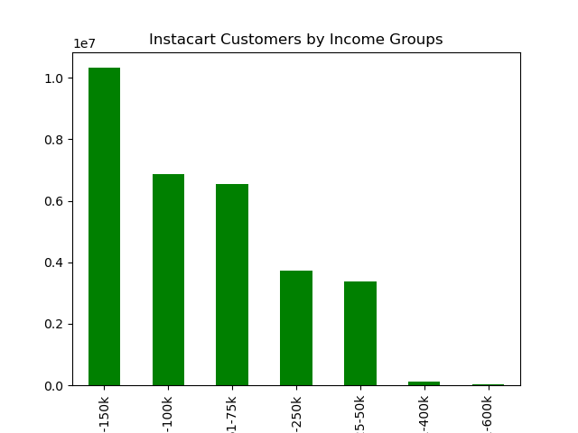
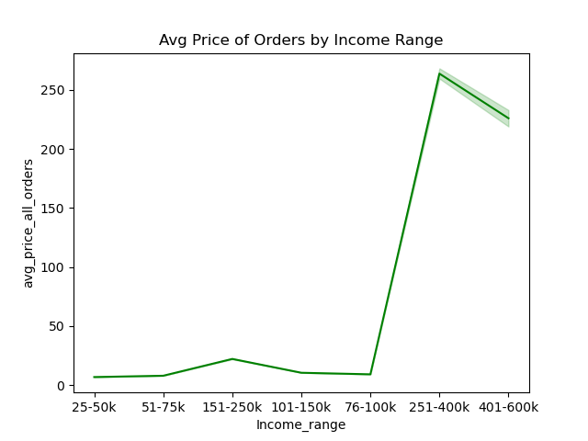
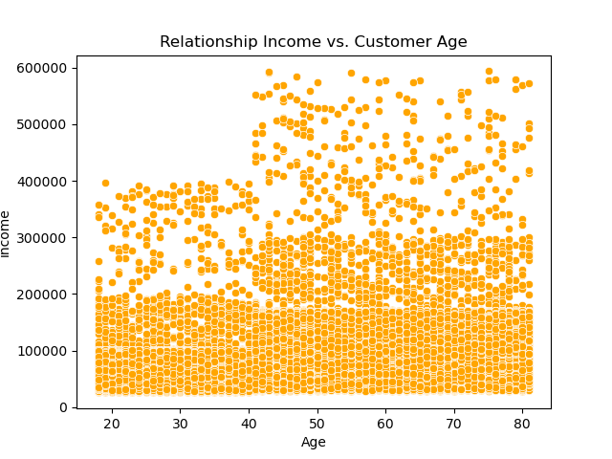
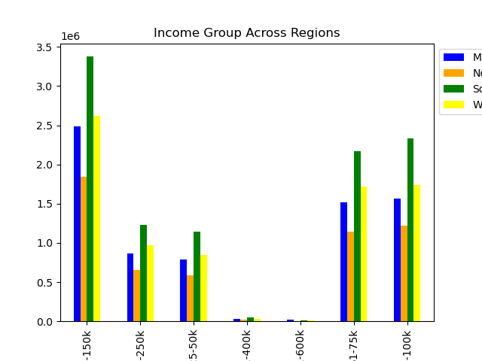

101-150k is the most populous Age Group of customers, then 76-100k. | The Average Price of Orders increases significantly in customers with incomes in the 76-100k range as well as > 250k. Strangely the 150-250k Income range average order value is in line with Income Ranges < 75k. | The relationship between Age and Income shows a greater concentration of higher earners in persons in their mid 40's and older. |  | South is the region with the highest make up of customers across all income ranges; then the West, then the Midwest, and the Northeast is last.

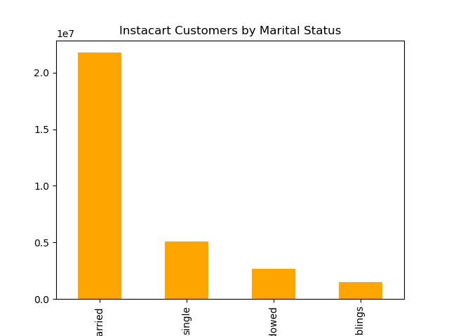
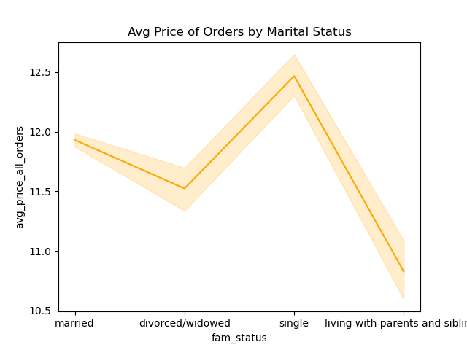
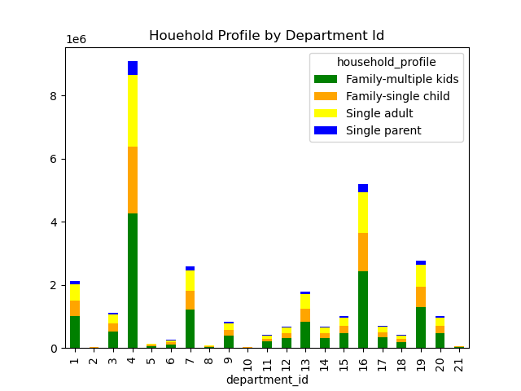
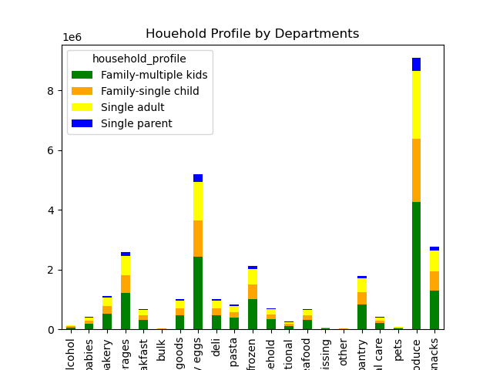

Married people are the largest segment of customers, followed by singles, divorcees, and then adults who live with family members. | Single customers have the highest order AUR, while those living with family members have the lowest. |  | Married Couples with multiple kids made up the largest component of all department customers, then singles and married couples with one dependent were fairly in line.

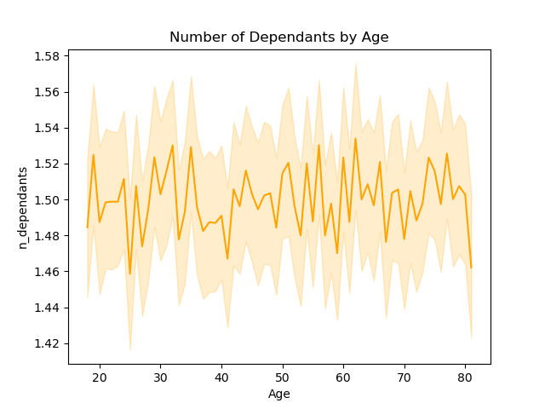
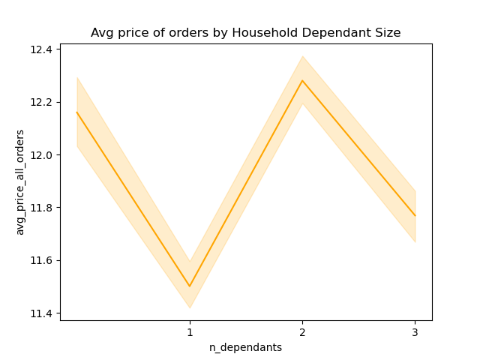

The average number of dependents was around 1.5 across all age ranges with a lot of variability across all ages. | Households with 2 kids had the highest order AUR households with one dependent had the lowest order AUR.

7. Recommendations
 |  |  |  |  |  |  |  |  |  | Title page
Recommendations

 | Question |  | Peak business periods for orders, Top Categories and Pricepoint Drivers:

 | Key Question 1: | What are the busiest days of week and hours of day- to direst digital spend on lower volume shopping periods to drive sales:
 | Response 1: |  | • Peak Order Days are Saturday, Sunday and Friday- digital ad spend would be most effective driving sales on the least volume midweek days Tuesday and Wednesdays- or lower volume days Monday and Thursday.
 |  |  | • Off peak hours to target are late night early morning between midnight and 8 AM; as well as after 6 PM.
 |  |  |  | Tuesday (3) and Wednesday (4) drive least volume and would be best opportunity to use ads and market support to drive sales. Then Tuesday (2) & Thursday (5) |  | Peak hours of day for orders are between 10 -18 hours. Off peak hours to target are late night and early mornings.

 | Key Question 2: | What are the peak times that customer spend the most money to better direct ad spend towards the best products to highlight?
 | Response 2: |  | • Saturday and Friday have the highest AUR on product orders at $7.86, however this is only $0.10 higher than the average on other days.
 |  |  | • The highest AUR on orders are betweeen noon and midnight. The AUR is lower and more variable in early morning and hours before noon and after midnight.
 |  |  |  | The AUR or product orders is highest on Saturday (0) & Friday (6). And approx the same Monday thru Thursday (1-5) |  | Targeting ads during off peak volume hour before 8AM and after 6PM to drive order volume- these are higher AUR values on orders as well. Avoid peak volume periods between 9Am-11Am where volume order is already high and the AUR on orders dips to it's lowest point.

 | Key Question 3: | With the large variety of products and Pricepoint range- how could we simplify Pricepoint Range for Sales and Marketing to direct their efforts?
 | Response 3: |  | • The bulk of prices fall between $2 and $15. There are spikes in the selection of products around $2, $4, $7-$9, then $12-13.
 | Response 3: |  | • Recommendations pricepoints to focus on for marketing: $1.99, $3.99, $6.99, $7.99, $8.99, and $12.99. Under $5, prices between $5-10, and $10-15, then $20 and $25 pricepoints.
 |  |  |  | There are spikes in the frequency of prices between the $7-10 range and again around $12-13. | 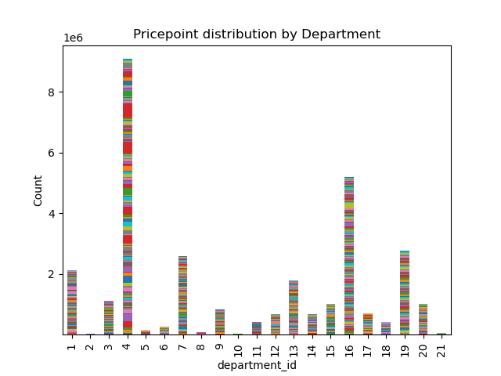 | The largest # of prices occurs in produce, then Dairy/Eggs, Snacks, Beverages, & Frozen foods.

 | Key Question 4: | Are there certain types of product that are more popular? Sales and Marketing want to know which departments have the highest frequency of orders.
 | Response 4: |  | • Produce has far the largest volume of orders followed by Dairy/eggs, then Snack Foods, Beverages (non-alcoholic), and Frozen Foods.
 |  |  | • Alcohol which is near bottom in volume has much higher order AUR at $28 twice that of other departments.
Dept ID | Department | Rank |  | Top Departments by Order Volume are: Produce (14), Dairy/Eggs (16), Snacks (19), Beverages (7), and Frozen Foods (1). |  | Highest AUR by order is Alcohol (5) although it is ranked 17 in order volume. | ID | Department | Rank
4 | produce | 1 |  |  |  |  | 1 | frozen | 5
16 | dairy eggs | 2 |  |  |  |  | 2 | other | 20
19 | snacks | 3 |  |  |  |  | 3 | bakery | 7
7 | beverages | 4 |  |  |  |  | 4 | produce | 1
1 | frozen | 5 |  |  |  |  | 5 | alcohol | 17
13 | pantry | 6 |  |  |  |  | 6 | international | 16
3 | bakery | 7 |  |  |  |  | 7 | beverages | 4
15 | canned goods | 8 |  |  |  |  | 8 | pets | 18
20 | deli | 9 |  |  |  |  | 9 | dry goods pasta | 10
9 | dry goods pasta | 10 |  |  |  |  | 10 | bulk | 21
17 | household | 11 |  |  |  |  | 11 | personal care | 14
14 | breakfast | 12 |  |  |  |  | 12 | meat seafood | 13
12 | meat seafood | 13 |  |  |  |  | 13 | pantry | 6
11 | personal care | 14 |  |  |  |  | 14 | breakfast | 12
18 | babies | 15 |  |  |  |  | 15 | canned goods | 8
6 | international | 16 |  |  |  |  | 16 | dairy eggs | 2
5 | alcohol | 17 |  |  |  |  | 17 | household | 11
8 | pets | 18 |  |  |  |  | 18 | babies | 15
21 | missing | 19 |  |  |  |  | 19 | snacks | 3
2 | other | 20 |  |  |  |  | 20 | deli | 9
10 | bulk | 21 |  |  |  |  | 21 | missing | 19

 |  | Customer Profiling
 | Key Question 5: | What is the distribution of customers in terms of Customer Loyalty/ return orders? Is there a difference in Loyalty Customers by Region?
 | Response 5: |  | • The largest customer segment is defined as Regular Customers- it's the highest across all 4 regions and proportionate to the contribution each's region is to total orders.
 |  |  | 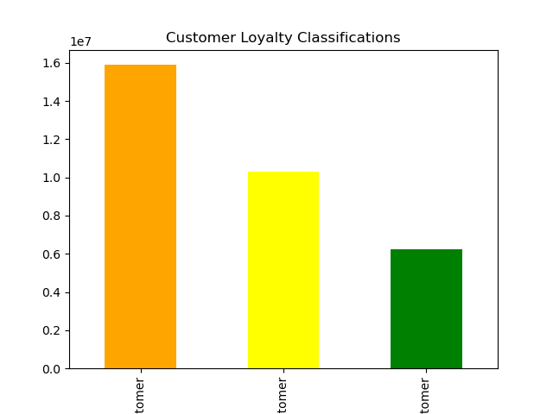 | Regular customers have made more than >10 and less than <= 40 orders. New customers have made <= 10 orders. Loyal customers have made more > 40 orders. | 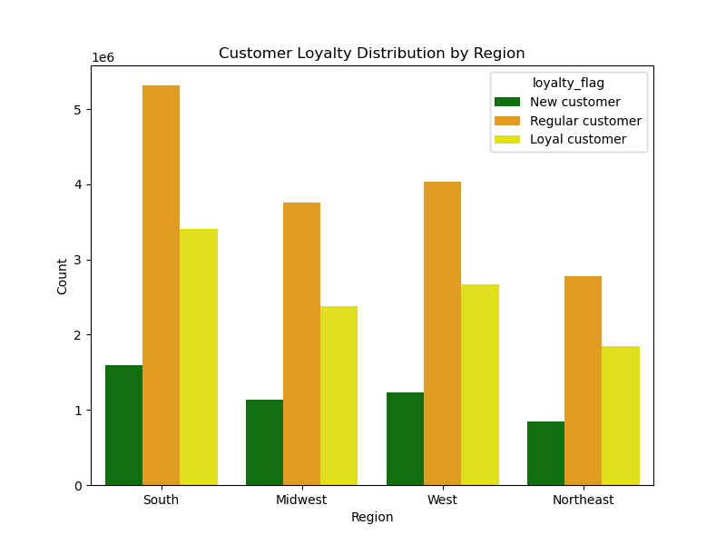 | Regular, Loyal, and New customers are represented proportionately across all 4 regions. Proportionate to the size of each regions total sales contribution: 1st South, 2nd West, 3rd Midwest, 4th Northeast.

 | Key Question 6: |  | Is there a connection between Age and Family Status in ordering habits?
 | Response 6: |  | • The largest customer segment is married people, singles make up a quarter of the married customer segment. The size of the market largely makes up the customer purchase segment by department.
 |  |  | • Customer segments are pretty evenly represented across different Age Groups- 18-24 is smaller due to few years included. The customer purchase segment is pretty evenly represented across departments.
 |  |  |  | Married couples with multiple children make up the largest customer segment in most departments proportional to their largest customer segment in total. Singles and Married couples with a 1 dependent- both make up a similar customer segement size and demand by department. Single parents make up the smallest customer segemnt and thus demand by department. |  | All Age Groups are represented fairly evenly by department as represented by the rainbow colors. The fringe youngest age and highest age group are slightly stunted due to less representation than other groups that include 10 years. | ID | Department | Rank
 |  |  |  |  |  |  | 1 | frozen | 5
 |  |  |  |  |  |  | 2 | other | 20
 |  |  |  |  |  |  | 3 | bakery | 7
 |  |  |  |  |  |  | 4 | produce | 1
 |  |  |  |  |  |  | 5 | alcohol | 17
 |  |  |  |  |  |  | 6 | international | 16
 |  |  |  |  |  |  | 7 | beverages | 4
 |  |  |  |  |  |  | 8 | pets | 18
 |  |  |  |  |  |  | 9 | dry goods pasta | 10
 |  |  |  |  |  |  | 10 | bulk | 21
 |  |  |  |  |  |  | 11 | personal care | 14
 |  |  |  |  |  |  | 12 | meat seafood | 13
 |  |  |  |  |  |  | 13 | pantry | 6
 |  |  |  |  |  |  | 14 | breakfast | 12
 |  |  |  |  |  |  | 15 | canned goods | 8
 |  |  |  |  |  |  | 16 | dairy eggs | 2
 |  |  |  |  |  |  | 17 | household | 11
 |  |  |  |  |  |  | 18 | babies | 15
 |  |  |  |  |  |  | 19 | snacks | 3
 |  |  |  |  |  |  | 20 | deli | 9
 |  |  |  |  |  |  | 21 | missing | 19

 |  |  |  | Married couples with multiple children make up the largest customer segment across all regions. Then single adults no kids. Then Married couples with one child. Followed by single parents. |  | The distribution of Age Groups is fairly uniform. * The fringe youngest bucket has fewer years included compared to the 10 years in other segments

 | Key Question 7: |  | What differences can you find in ordering habits of different customer profiles?
 | Response 7: |  | • Household's with incomes 76k-100k and >250k spent significantly more on avg per order; this segment makes up the 2nd largest customer segment by Income.
 |  |  | • Household's with incomes 101k-150k make up the largest customer segment by Income; their avg price order was in line with other lower income brackets undet 75k.
 |  |  |  | The average order price is significantly higher for those with incomes >250k. The average order price increases in households with incomes in the 76-100k range. However household incomes of 101-250k have similar lower avg order price as those households who make between 25-75k. | 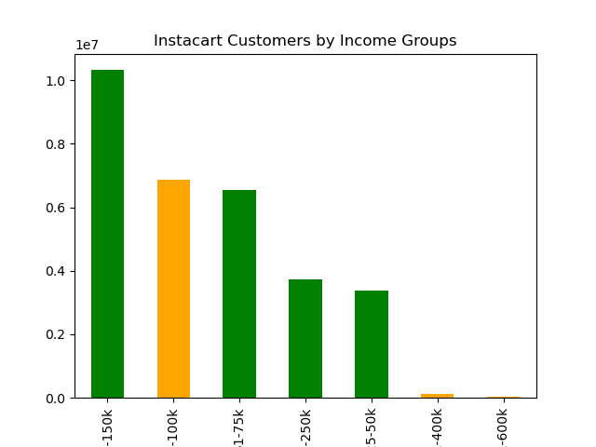 | Households with incomes of 101 - 150k are the largest customer segment. Followed by: 76-100k 51-75k 150-250k 25-50k 251-400k 401-600k

 |  |  | 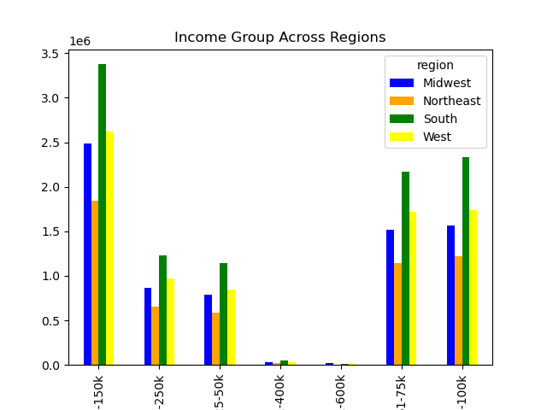 | The income groups by region are representative proportionately to the region's total share and follow the income group contribution at the region level. |  | The relationship between Age and Income not surprisingly shows a greater concentration of higher earners in persons over 40.

 |  |  |  | The Midwest has the highest avg order price despite being 3rd place in total sales volume. Th South has the 2nd highest avg order price while being the top region in total sales volume. The West has the lowest avg order price despite being the 2nd highest region in total sales volume. The Northeast has 3rd highest avg order price while being 4th place in total sales volume. |  | The relationship of Region and Order Price shows higher outliers in the South the largest regional customer segment. The Midwest has a higher concentration in the 3-9k range compared to the West and NE. The West is more concentrated in the <3k range. The Northeast is more concentrated under 4k.

dept list
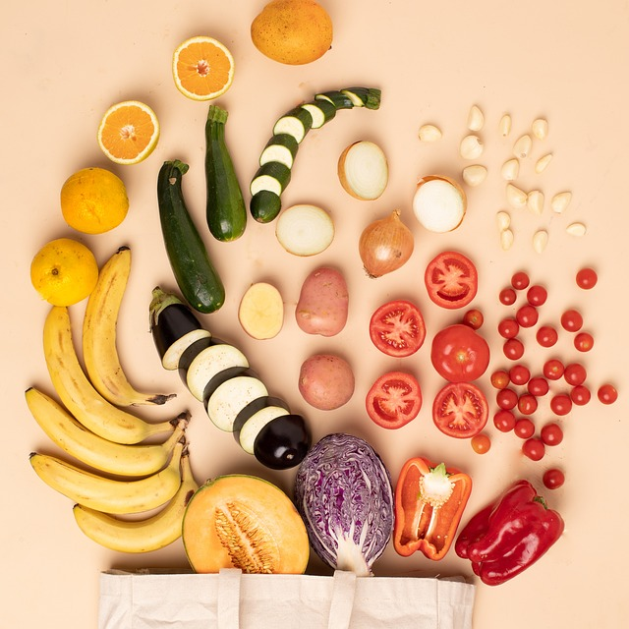
4 | produce | 1
16 | dairy eggs | 2
19 | snacks | 3
7 | beverages | 4
1 | frozen | 5
13 | pantry | 6
3 | bakery | 7
15 | canned goods | 8
20 | deli | 9
9 | dry goods pasta | 10
17 | household | 11
14 | breakfast | 12
12 | meat seafood | 13
11 | personal care | 14
18 | babies | 15
6 | international | 16
5 | alcohol | 17
8 | pets | 18
21 | missing | 19
2 | other | 20
10 | bulk | 21

1 | frozen | 5
2 | other | 20
3 | bakery | 7
4 | produce | 1
5 | alcohol | 17
6 | international | 16
7 | beverages | 4
8 | pets | 18
9 | dry goods pasta | 10
10 | bulk | 21
11 | personal care | 14
12 | meat seafood | 13
13 | pantry | 6
14 | breakfast | 12
15 | canned goods | 8
16 | dairy eggs | 2
17 | household | 11
18 | babies | 15
19 | snacks | 3
20 | deli | 9
21 | missing | 19

